Template - Phase 1
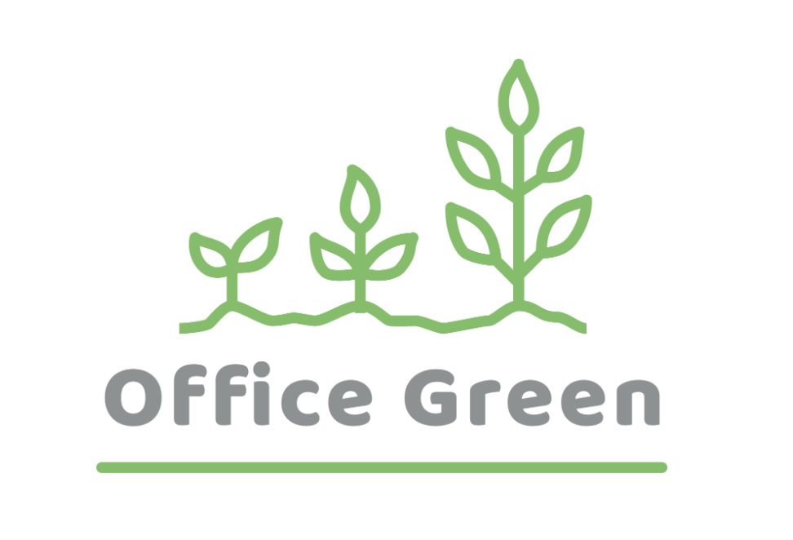
R - Responsible | Completes the deliverable or task.
A - Accountable | Makes final decisions and signs off on task completion. Only 1 per task.
C - Consulted | An advisor, stakeholder, or subject matter expert who offers guidance before an action is taken.
I - Informed | Kept up to date on decisions made.
Plant Pals Marketing & Sales Strategy | Person A | Person B | Person C | Person D | Person E | Person F
PHASE:
Task/Deliverable
1. Deliverable/Task
2. Deliverable/Task
3. Deliverable/Task
4. Deliverable/Task

